Sheet2
Page 3:Report(Change report page 3 New standard from ROHM)
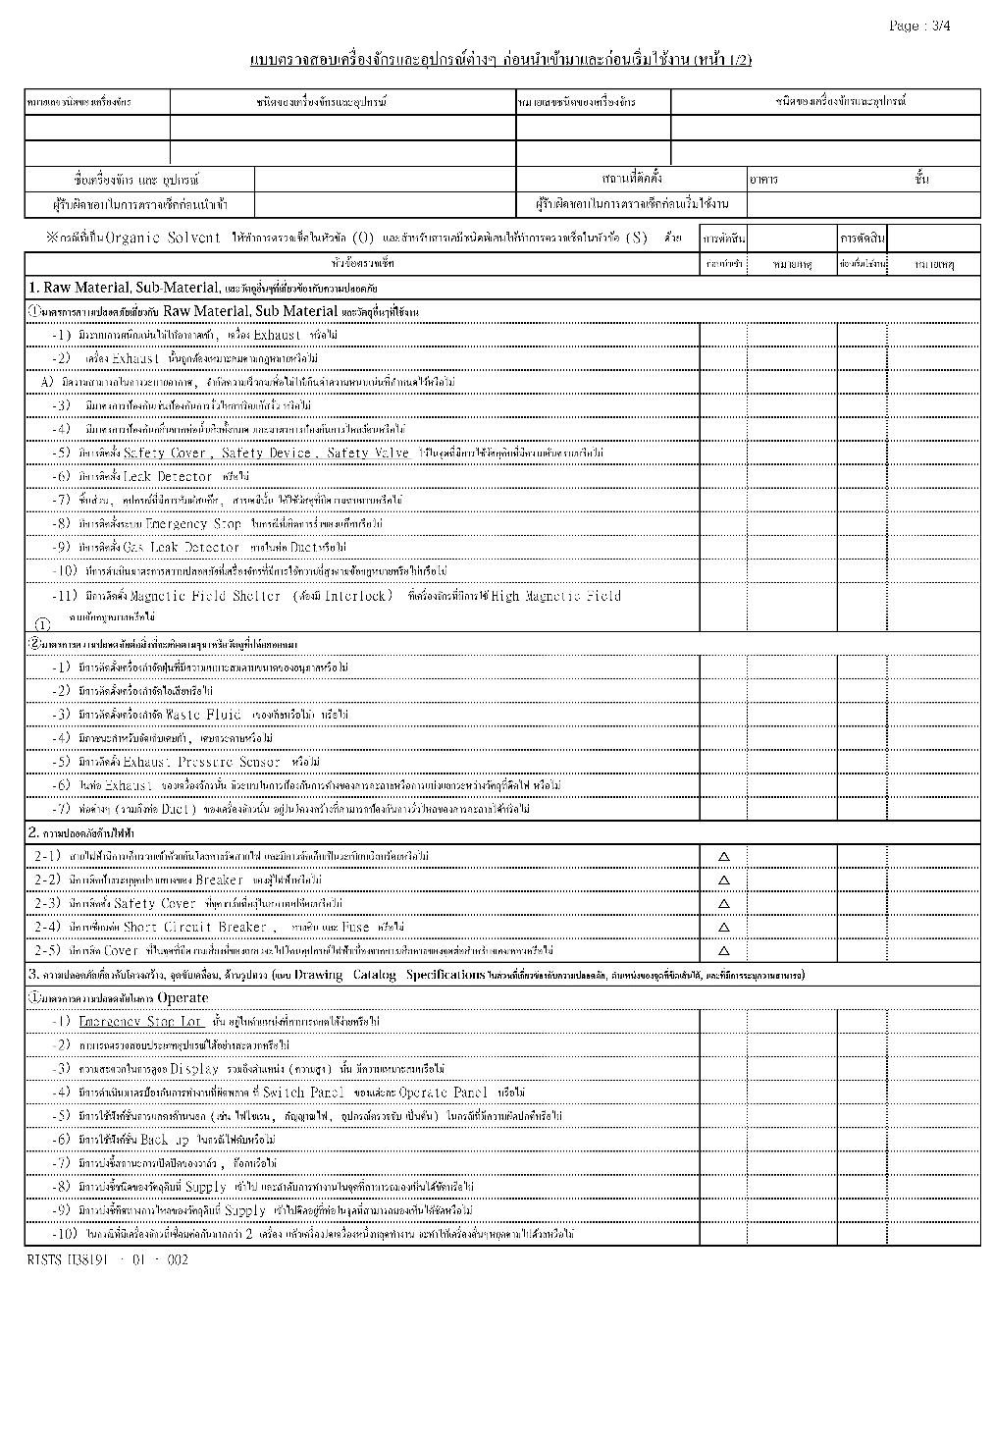
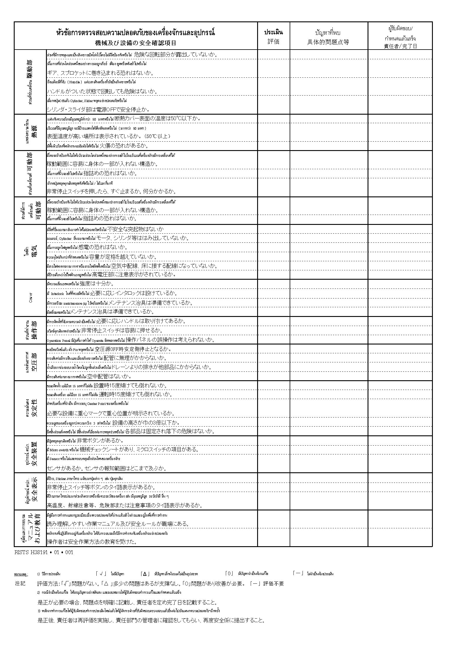
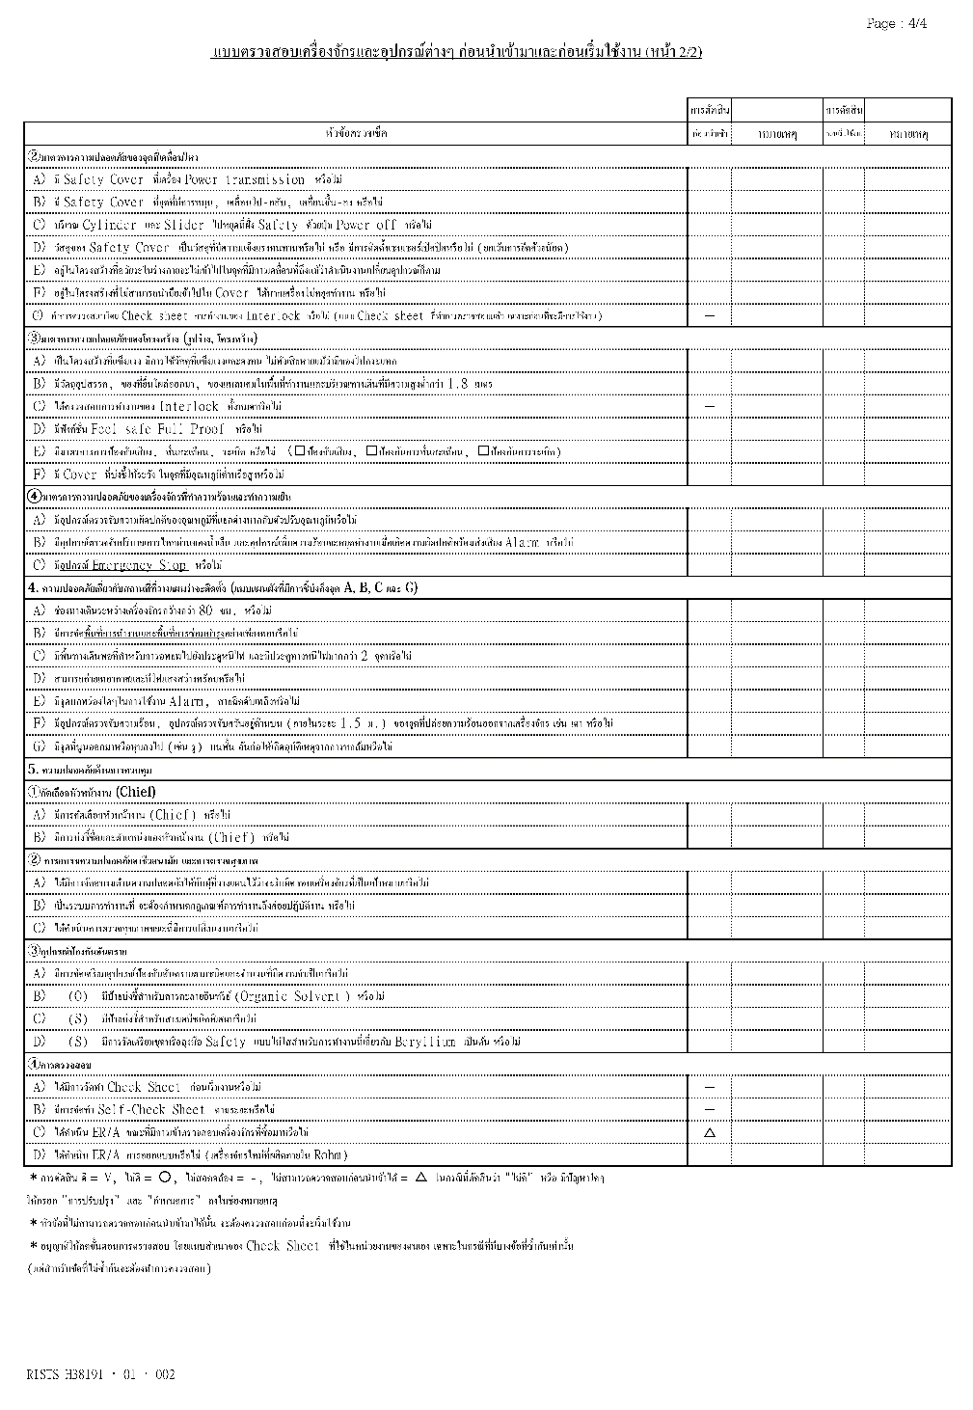

Old Report page 3 | New Report page 3/1 | New Report page 3/2

